SensorsInterface
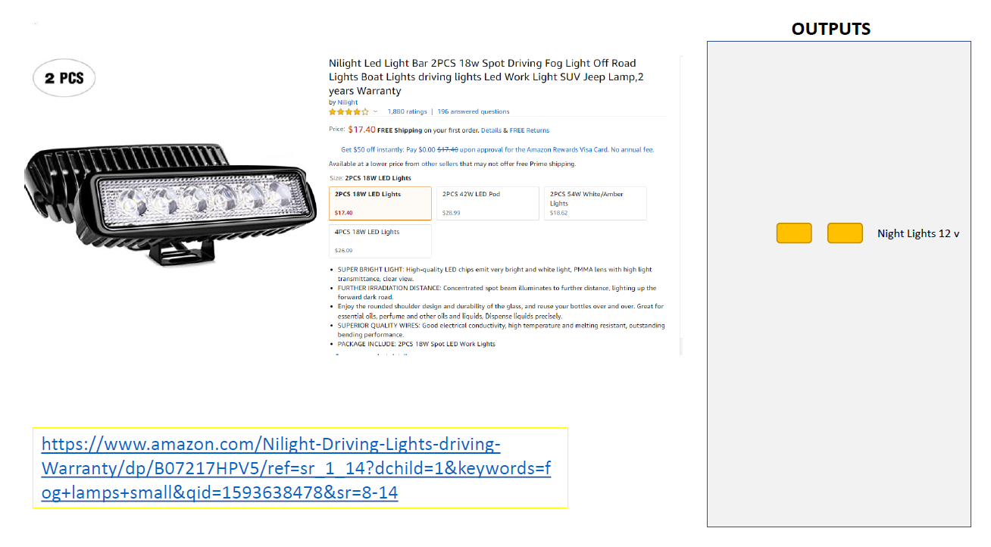
S.No | Component Name | Mfp Part Number | Description | Supplier Ref | Unit Cost | Qty | Total Cost | Remarks
1 | Solenoid | 412 | SOLENOID PULL 12V | DigiKey | $7.50 | 1 | $7.50
2 | Buzzer | 617-3097 | 20 V dc 96dB Panel Mount Piezo Buzzer | RS | $3.29 | 1 | $3.29
3 | Sonar Sensor | - | Weatherproof Ultrasonic Sensor w/ Separate Probe | robotshop | $16.00 | 4 | $64.00
4 | LED Lights | - | DLLL One Pair DC 12V Universal Motorcycle Bike 12 LED | Amazon | $10.99 | 2 | $21.98
5 | Impact sensor | - | Small micro switch sensor designed for the Arduino | robotshop | $2.50 | 4 | $10.00
 |  |  |  |  |  |  | $106.77

Servo_MotorControl
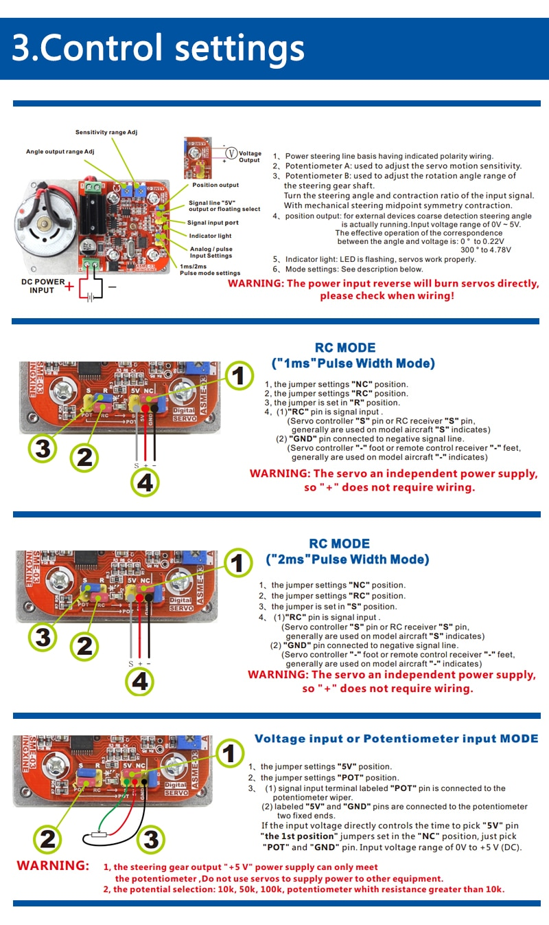
S.No | Component Name | Mfp Part Number | Description | Supplier Ref | Unit Cost | Qty | Total Cost | Remarks
1 | Motor Driver Module |  | Servo Motor Driver Module | AliExpress | $36.99 | 1 | $36.99
2 | Alum Capacitor | UCD1V471MNL6GS | CAP ALUM 470UF 20% 35V RAD SMD | DigiKey | $1.04 | 1 | $1.04
3 | Mating Header | 95278-101A06LF | CONN HEADER SMD 6POS 2.54MM | DigiKey | $1.12 | 1 | $1.12
 |  |  |  |  |  |  | $39.15

MCU-WirelessSection
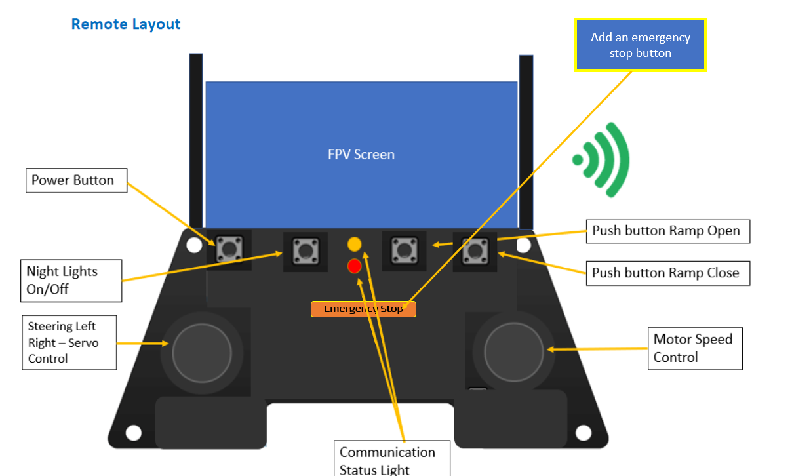
S.No | Component Name | Mfp Part Number | Description | Supplier Ref | Unit Cost | Qty | Total Cost | Remarks
1 | IC | ATMEGA328P-AUR | IC MCU 8BIT 32KB FLASH 32TQFP | DigiKey | $2.08 | 1 | $2.08
2 | Wireless tranciever | NRF24L01 | 2.4GHz Standard ISM Tranceiver Module | Aliexpress | $0.60 | 2 | $1.20
3 | Rotary Button | COM-09032 | JOYSTICK 10K OHM 2 AXIS TH | Digikey | $3.95 | 2 | $7.90
4 | Tactile Switch | B3U-1000P | Tactile Switch SPST-NO Top Actuated Surface Mount | DigiKey | $0.98 | 1 | $0.98
5 | Chip Resistor | ERJ-2GEJ103X | 10 kOhms ±5% 0.1W, 1/10W Chip Resistor 0402 (1005 Metric) | DigiKey | $0.10 | 1 | $0.10
6 | Crystal Oscillator | ECS-200-20-3X-EN-TR | 20MHz ±30ppm Crystal 20pF 50 Ohms HC-49/US | DigiKey | $0.53 | 1 | $0.53
7 | Ceramic Capacitor | GRM188R61C106KAALJ | 10µF ±10% 16V Ceramic Capacitor X5R 0603 (1608 Metric) | Digikey | $0.41 | 1 | $0.41
8 | Ceramic Capacitor | C0805C200J4GAC7800 | 20pF ±5% 16V Ceramic Capacitor C0G, NP0 0805 (2012 Metric) | DigiKey | $0.32 | 2 | $0.64
9 | Ceramic Capacitor | C0402C104Z4VAC7867 | 0.1µF -20%, +80% 16V Ceramic Capacitor Y5V (F) 0402 (1005 Metric) | DigiKey | $0.10 | 3 | $0.30
 |  |  |  |  |  |  | $14.14

